1. Title Page
[Online Grocery]

Project Name: Instacart Data Analysis
Date: 07/11/2024
Analyst Name: Tamer Nas

Contents:
Population Flow
Consistency checks
Wrangling steps
Column derivations
Visualizations
Recommendations

Data Source
“The Instacart Online Grocery Shopping Dataset 2017”, Accessed from www.instacart.com/datasets/grocery-shopping-2017 via Kaggle on 9/4/2024.
The customer data you explored, as well as the “prices” column in the products data set, were both fabricated for the purpose of this course

2. Population Flow
Title page

Population flow

Exclusion flag
Condition: max_order < 5
Obervations to be removed: 1444245
Final total count of order_products_all: 32404859

Orders_products_combined
Orders_products_merged
Orders_products_all

Total: 32404859
Total: 32434489
Total: 32404859

1.) The grey boxes in the first row of the population flow represent the original data sets as they were when you downloaded them. In the Total fields you need to add the count of the rows when you imported the data set into Jupyter.
2.) The second row of boxes (coloured) represents the data sets after you manipulated them, e.g., removed missing values and duplicates. In the Total fields you need to add the count of the rows after conducting these operations. This offers a visual oveview of how the data flows throughout the data consistency checks.
3.) The third row, where also the arrows are coloured, represents the merges you performed between the datasets. In the Total fields you need to add the count of the rows in the merged datasets, so that you end up with the final dataset (in the red box). Keep in mind the final dataset should be without exclusions (based on the exclusion flag).

3. Consistency checks
 |  |  |  | Title page
Consistency checks
Consistency checks

Dataset | Missing values | Missing values treatment | Duplicates
orders | days_since_prior_order (206209) | Added a new column first_order as flag variable | No duplicates found
products | product_name (16) | removed them | dropped 5 duplicate rows
orders_products_prior | No missing values | NA | No duplicates found
customers | first_name (11,259) | Removed due to PII risk. | No duplicates

4. Wrangling steps
 |  |  |  |  | Title page
Wrangling steps
Wrangling steps

Data set | Columns dropped | Columns renamed | Columns' type changed | Comment/Reason
orders | eval_set |  |  | not necessary for analysis
 |  | order_dow |  | ambiguous column name, changed to orders_day_of_week
 |  |  | order_id | changed to string
 |  |  | user_id | changed to string
department |  | index |  | transposed dataset and added an index and new header
 |  |  | user_id | changed to string
customers |  | FIRST_NAME |  | Changed to first_name for consistency
 |  | surnam |  | Change to surname for consistency
 |  | STATE |  | Changed to state for consistency
 |  | Age |  | Changed to age for consistency
 |  | fam_status |  | Changed to marital_status for consistency
 |  | Gender |  | Changed to gender for consistency

5. Column derivations
 |  |  |  |  |  | Title page

Column derivations and aggregations
Column derivations and aggregations

In this tab you should add tables below that the frequences of flags/label variables that you produced after deriving them. NB: don't do this for continuous variables, only for flags.
In this tab you should add tables below that the frequences of flags/label variables that you produced after deriving them. NB: don't do this for continuous variables, only for flags.
Dataset | New column | Column/s it was derived from | Conditions
ords_prod_merge | price_range_loc | prices | if price is <=5 = 'Low-range product'
 |  |  | if price is >5 and <=15 = 'Mid-range product'
 |  |  | if price is >15 = 'High-range product
ords_prod_merge | busiest_day | order_dow | 0 (Saturday) = busiest day | price_range_loc | age_group
 |  |  | 4 (Wednesday) = least busy | Mid-range product 21860860 | Older Adult 12085297
 |  |  | any other day of the week = regularly busy | Low-range product 10126321 | Senior 7730834
ords_prod_merge | busiest_days | order_dow | 0 or 1 (Saturday or Sunday) = busiest days | High-range product 417678 | Adult 7283915
 |  |  | 3 or 4 (Tuesday or Wednesday) = slowest days | Name: count, dtype: int64 | Young Adult 3864518
 |  |  | any other day of the week = regular days
ords_prod_merge | busiest_period_of_day | order_hour_of_day | 10 (10:00 am) = most orders | busiest_day | income_group
 |  |  | 3 (3:00 am) = fewest orders | Regularly busy 22416875 | High 14207028
 |  |  | any other hour of the day = average orders | Busiest day 6204182 | Middle 13394982
ords_prod_merge | max_order | user_id, 'order_number' | This gets the maximum frequency of orders ('order_number') grouped by customer ('user_id'). | Least busy 3783802 | Low 3362554
ords_prod_merge | loyalty_flag | max_order | if max_order is >40, then labeled as "Loyal customer' | Name: count, dtype: int64 | Name: count, dtype: int64
 |  |  | if max_order is <=40 and >10, then labeled as "Regular customer'
 |  |  | if max_order is <=10, then labeled as 'New customer' | busiest_days | dependents_flag
ords_prod_merged | mean_price | user_id, 'prices' | This gets the average price purchased, grouped by 'user_id' | Regularly busy 12916111 | Has Dependents 23224883
ords_prod_merged | spender_type | avg_purchase_price | If avg_purchase_price <10, then labeled as 'Low spender' | Busiest days 11864412 | No Dependents 7739681
 |  |  | If avg_purchase_price >=10, then labeled as 'High spender' | Slowest days 7624336 | Name: count, dtype: int64
ords_prod_merged | median_prior_order | user_id', 'days_since_prior_order' | This gets the median 'days_since_prior_order' and groups by 'user_id' | Name: count, dtype: int64 | Name: count, dtype: int64
ords_prod_merged | frequency | median_days | If median_days >20, then labeled as 'Non-frequent customer'
 |  |  | If median_days >10 and <=20, then labeled as 'Regular customer' | busiest_period_of_day
 |  |  | If median_days <=10, then labeled as 'Frequent customer' | Most orders 21118071 | region
instacart | income_group | income | If income less than or equal to 50,000 then 'Low ' | Average orders 9997651 | South 10791885
 |  |  | If income greater than 50,000 and less than or equal to 100,000 then 'Middle ' | Fewest orders 1289137 | West 8292913
 |  |  | If income greater than 100,000 then 'High ' | Name: count, dtype: int64 | Midwest 7597325
instacart | age_group | Age | If age less than or equal to 25 then young adult. (0-24) |  | Northeast 5722736
 |  |  | If age greater than 25 & less than or equal to 40 then adult. (25-40) | loyalty_flag | Name: count, dtype: int64
 |  |  | If age greater than 40 & less than or equal to 65 then Older adult. (40-65) | Regular customer 15876776
 |  |  | If age greater than 65 then senior. (65+) | Loyal customer 10284093
instacart | region | state | Northeast_states = ['Maine', 'New Hampshire', 'Vermont', 'Massachusetts', 'Rhode Island', 'Connecticut', 'New York', 'Pennsylvania', 'New Jersey'] | New Customer 6243990
 |  |  | Midwest_states = ['Wisconsin', 'Michigan', 'Illinois', 'Indiana', 'Ohio', 'North Dakota', 'South Dakota', 'Nebraska', 'Kansas', 'Minnesota', 'Iowa', 'Missouri'] | Name: count, dtype: int64
 |  |  | Southern_states = ['Delaware', 'Maryland', 'District of Columbia', 'Virginia', 'West Virginia', 'North Carolina', 'South Carolina', 'Georgia', 'Florida', 'Kentucky', 'Tennessee', 'Mississippi', 'Alabama', 'Oklahoma', 'Texas', 'Arkansas', 'Louisiana']
 |  |  | Western_states = ['Idaho', 'Montana', 'Wyoming', 'Nevada', 'Utah', 'Colorado', 'Arizona', 'New Mexico', 'Alaska','Washington', 'Oregon', 'California', 'Hawaii'] | spending_type
instacart | dependents_flag | number_of_dependents | If number of dependents > 0, then 'Has dependents' | Low Spender 31770614
 |  |  | If number of dependents <= 0, then 'No dependents' | High Spender 634245
customer_profile | order_total | user_id,price, order_number,loyalty_flag,spender_type,region,age_group,income_group,dependents_flag,days_since_prior_order | This gets the sum of all prices, grouped by user_id, order_number, loyalty_flag, spender_type, region,age_group, marital_status, income_group, dependents_flag, days_since_prior_order | Name: count, dtype: int64

 |  |  |  | Frequency
 |  |  |  | Frequent Customer 21559853
 |  |  |  | Regular Customer 7208564
 |  |  |  | Non-frequent Customer 3636437
 |  |  |  | Name: count, dtype: int64

6. Visualizations
All the visualtions , alongside the questions from the project brief that they answer. Include any commentary on the relationship between different variables.
 |  |  |  |  |  |  | Title page

Visualisations
Visualisations

1 | The sales team needs to know what the busiest days of the week and hours of the day are (i.e., the days and times with the most orders) in order to schedule ads at times when there are fewer orders.
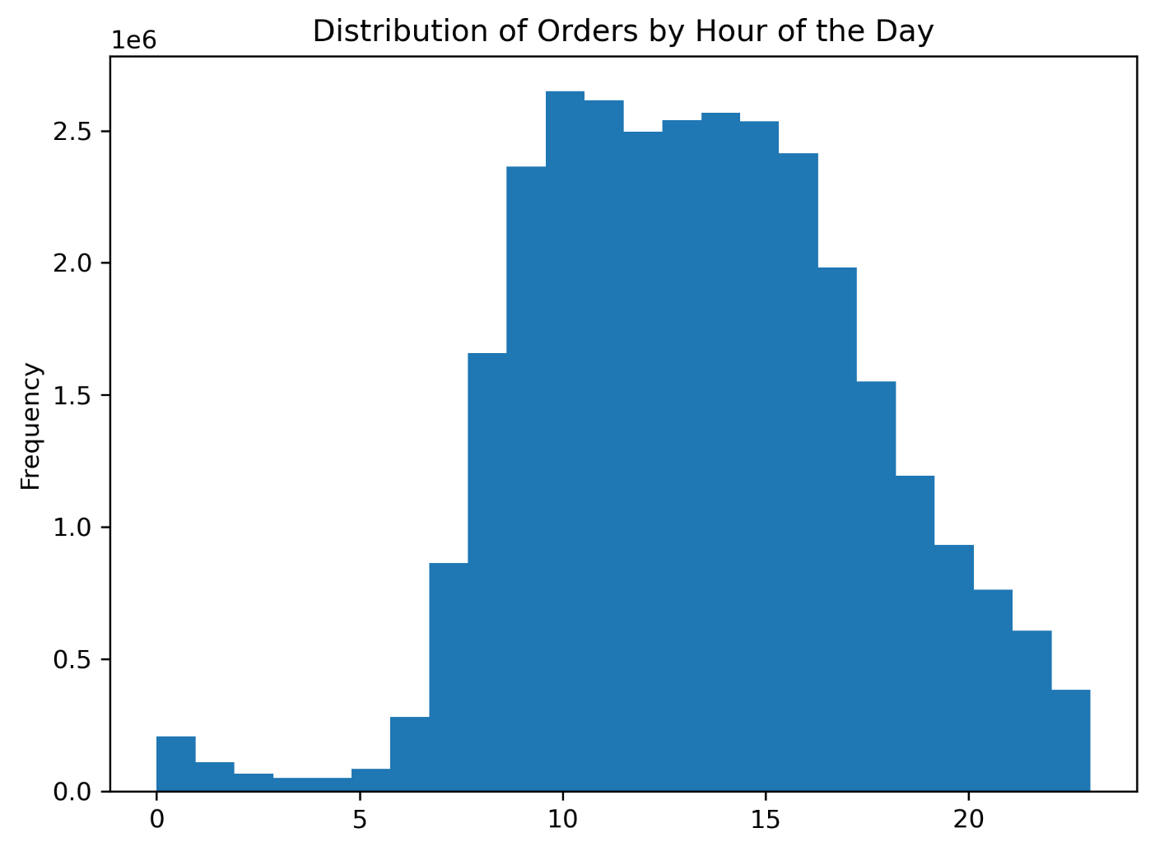
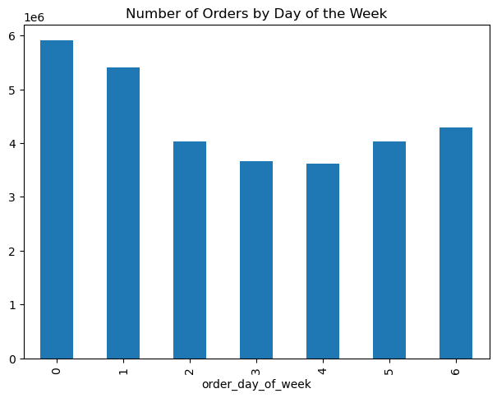

 |  |  | Order day of Week Legend
 |  |  | # | Day
 |  |  | 0 | Saturday
 |  |  | 1 | Sunday
 |  |  | 2 | Monday
 |  |  | 3 | Tuesday
 |  |  | 4 | Wednesday
 |  |  | 5 | Thursday

Saturday and Sunday are the busiest days. between the hours of 8 am to 4 pm. The least busy day is Wednesday between the hours of 2 am to 5 am.

2 | They also want to know whether there are particular times of the day when people spend the most money, as this might inform the type of products they advertise at these times
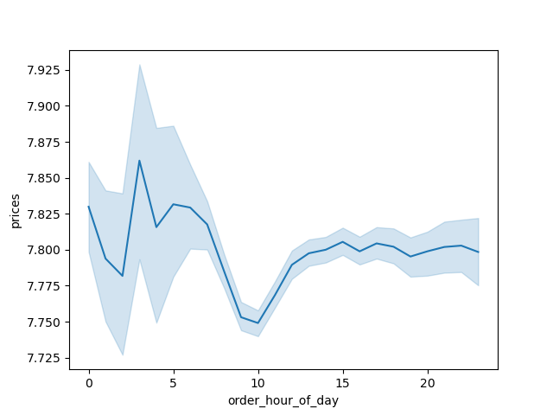

 |  |  | Expenditure over the hours shows us that people spend the higher prices orders take place at and after midnight.
 |  |  | Through out the day, especially after 10 am people start spending more money and their spending attitude comes at a stable line.
 |  |  | Instacart can come up with morning shopping campain with special deals to increase the order amount and prices.

 | 3 | Are there certain types of products that are more popular than others? The marketing and sales teams want to know which departments have the highest frequency of product orders.

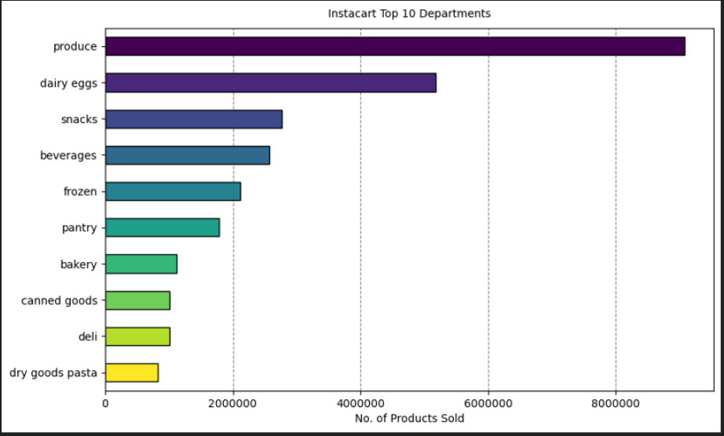

 |  |  |  |  | The Bar Chart shows that produce, dairy and eggs, snacks, and beverages
 |  |  |  |  | cathegories are the most demanding cathegory

 | 4 | What’s the distribution among users in regards to their brand loyalty (i.e., how often do they return to Instacart)?
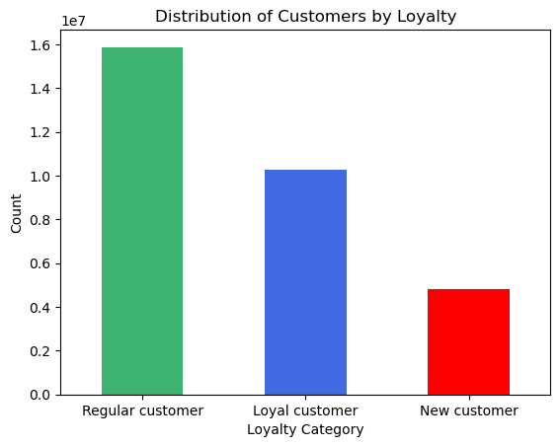

 |  |  |  | Regular and loyal customers contribute more to sales (as in # of items sold).

5 | Are there differences in ordering habits based on a customer’s loyalty status?

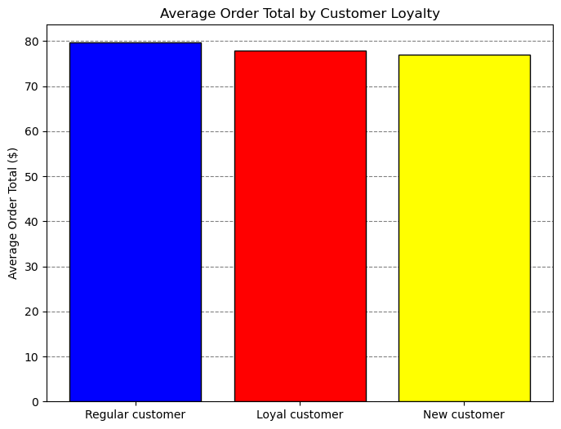
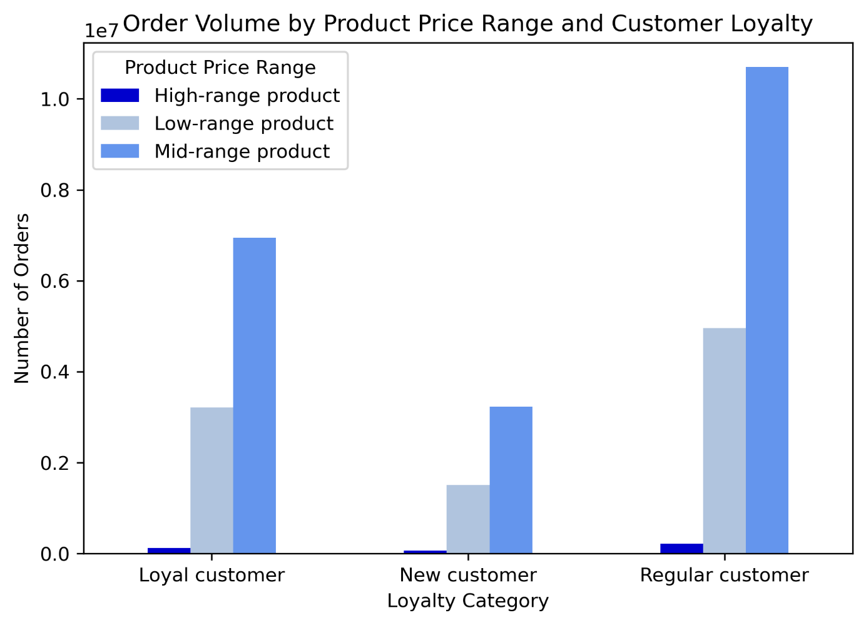

Average Order Total seems almost equal in classification of the customer's loyalty status.

Regular customers show that they are more intend to buy in any classification of products.
In any customer loyalty status mid-range products are the most demanding products.

6 | Are there differences in ordering habits based on a customer’s region?
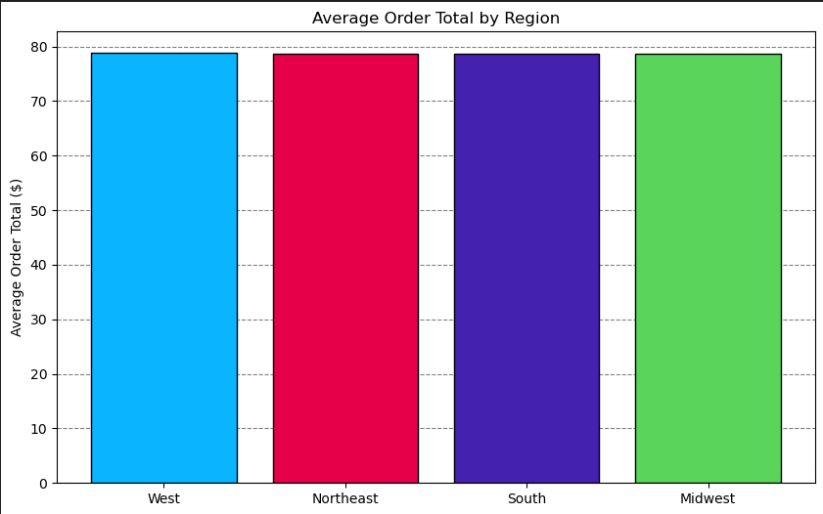
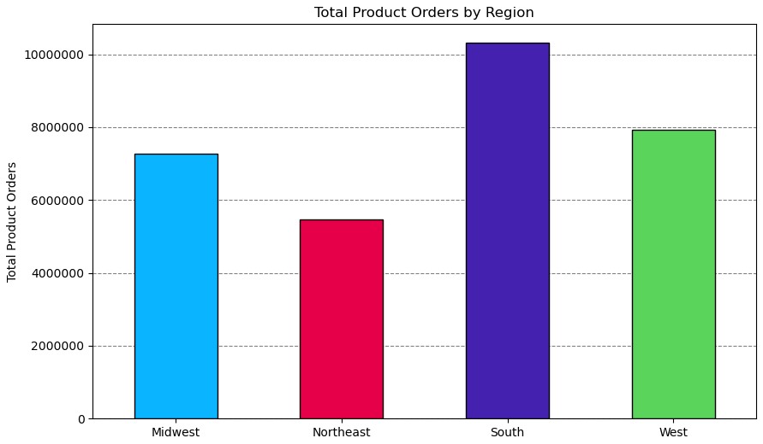

In avarage orders all the regions seem same.
Southern Region has the highest product order

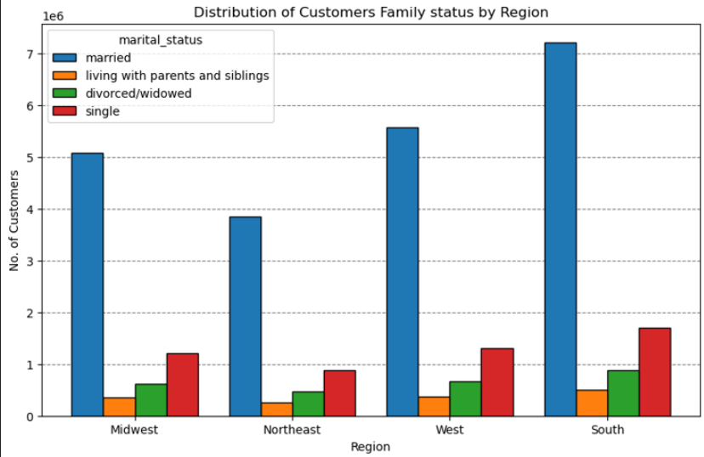
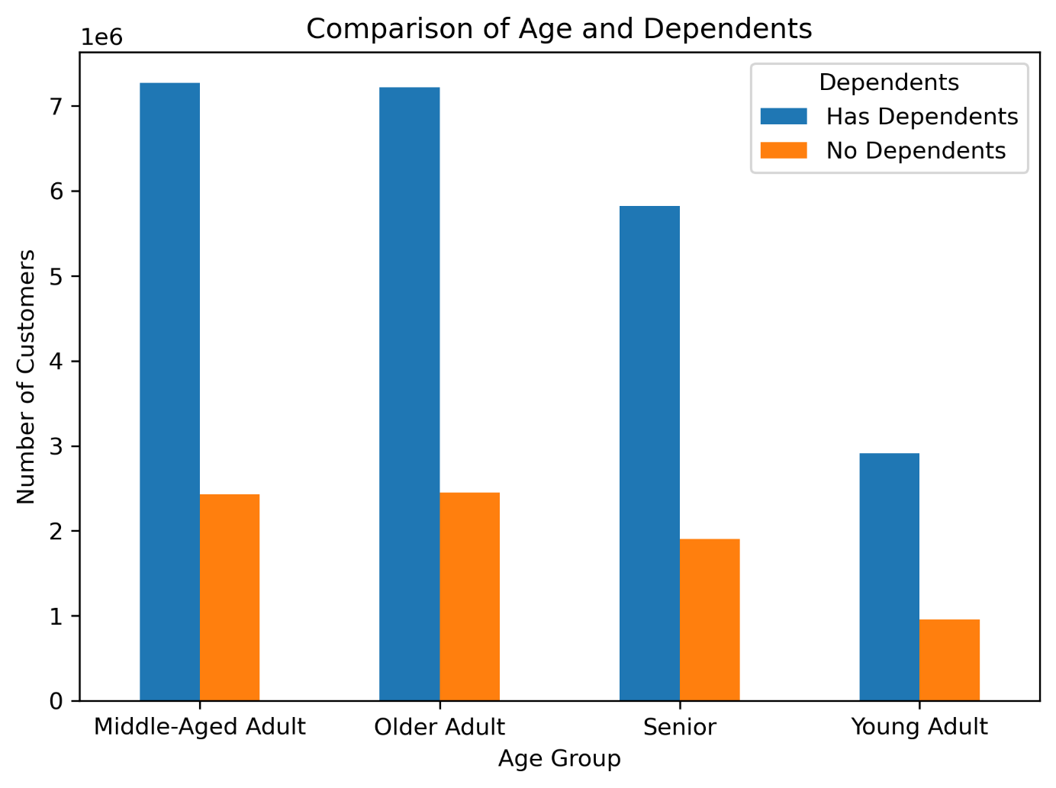
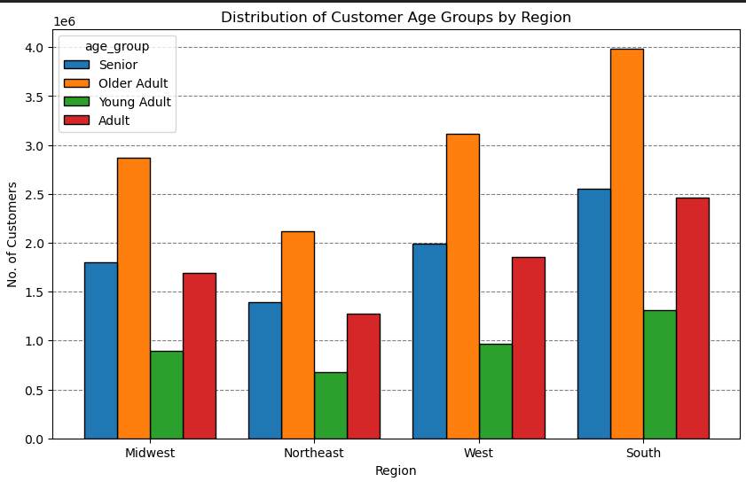

Married People form the highest number of cutomers in all regions, followed respectively by single, divorced/widowed and living with parents and siblings.
Older Adult group forms the more populated group in costumers in every region respectively followed by senior, adult and young adult groups.

Customers with dependents are more in all regions.

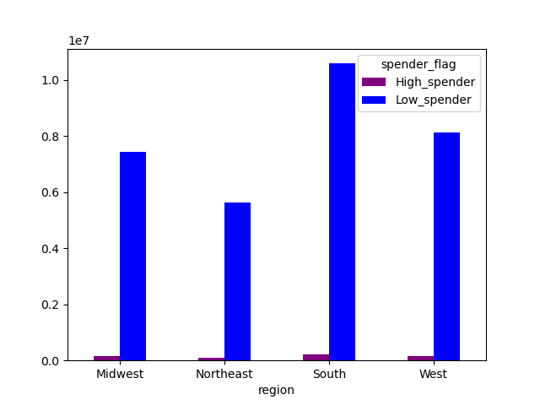

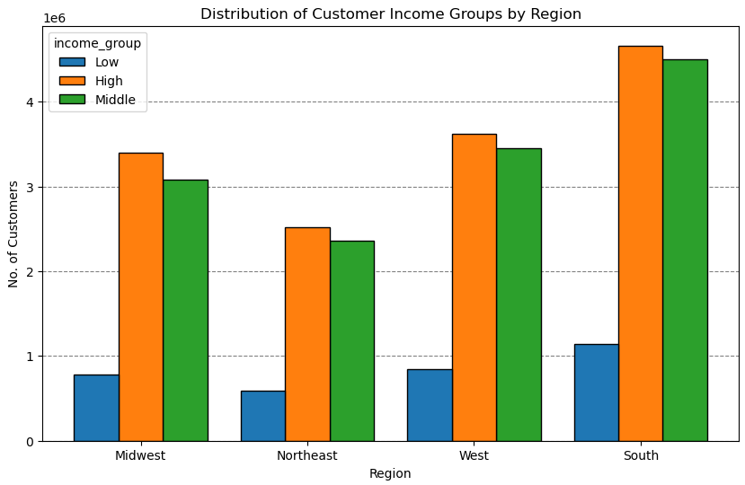

High Income groups are forming the most customers in every region. Respectively middle and low income groups follow.

In every Region low spenders are greater in number than high spenders

7 | Is there a connection between age and family status in terms of ordering habits?

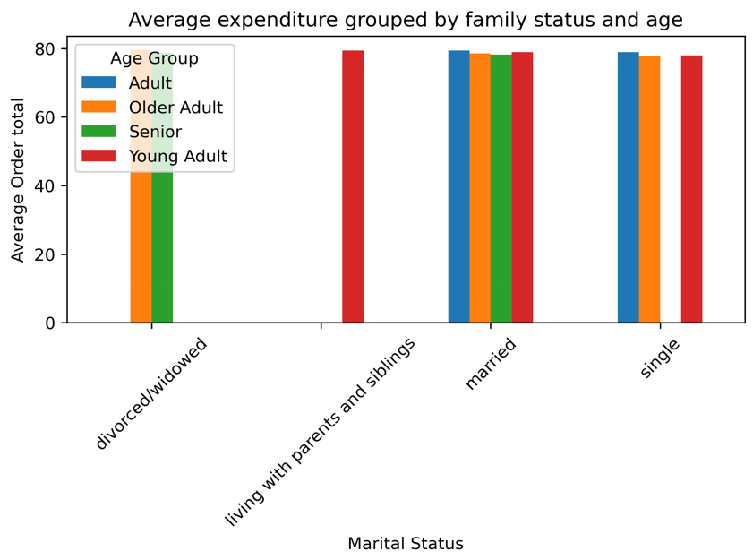

The correlation beween age group and family status is almost the same

8. What different classifications does the demographic information suggest? Age? Income? Certain types of goods? Family status?

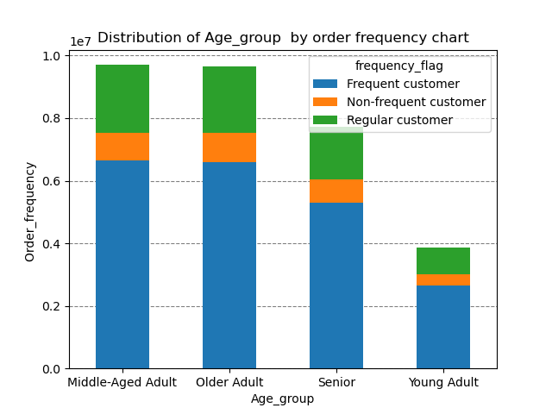
Age Group Classifications:
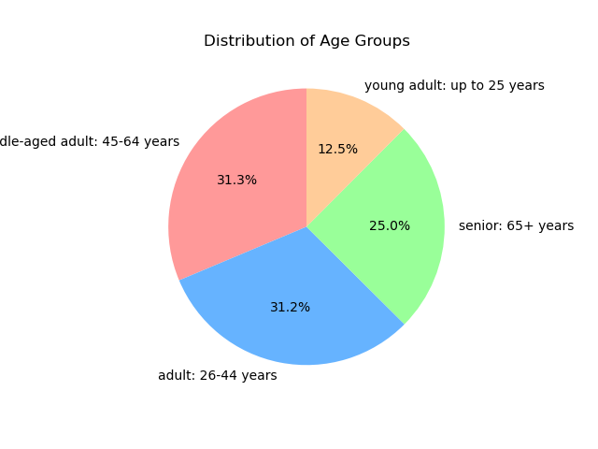
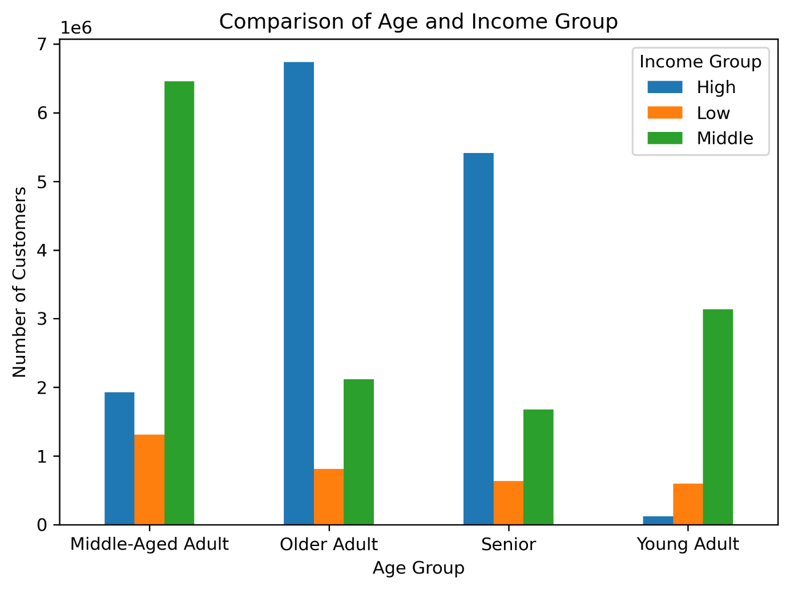

Maximum population of the customers are formed by middle-aged adults, then adults, senir, and young adult groups.
Customers with dependents are more crowded than customers no dependents.
Older adults group has the most income customers, then respectively followed by 'Senior' Age Group, Middle aged group and young adult.
That shows a strong and positive correlation between age and income.
From the chart we can also differentiate that young adults and middle age group adults are mainly middle income group.
There are more number of frequent customers followed by regular and non-frequent customers in every age group

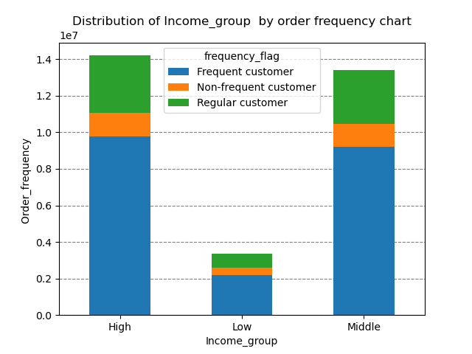
Income Group Classifications:
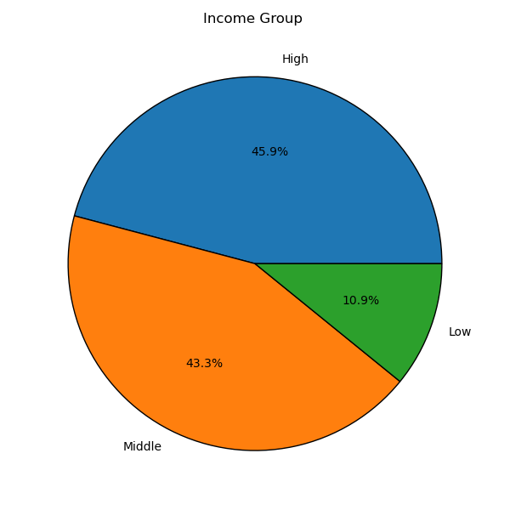
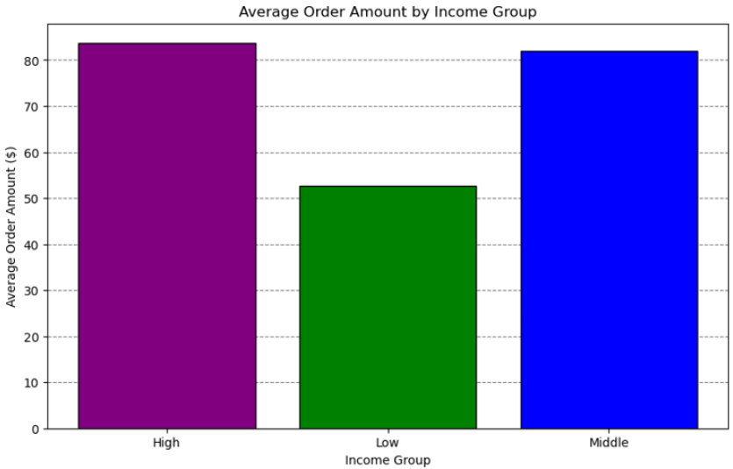

High Income Group has the highest average order amount people followed respectively by middle and low income groups.
High Income group has the most population, respectively followed by Middle and Low Income groups.
Frequent customers are the most occupying fragment in all income groups followed respectively by regular and non-frequent customers.

Department Classification:
Department versus each age group, income group, num.of dependents, region or order frequency show no significant difference

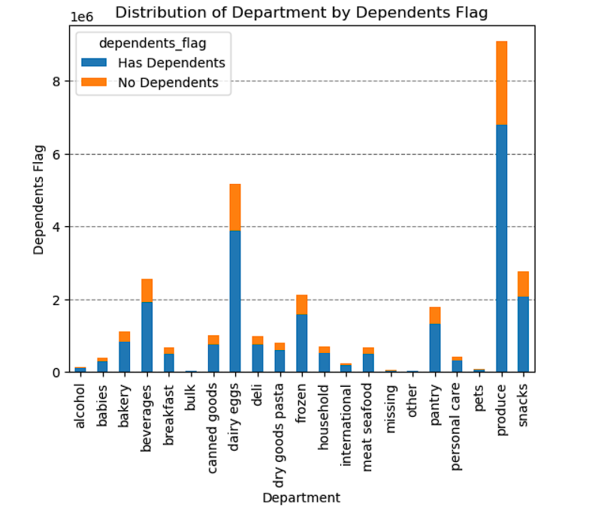
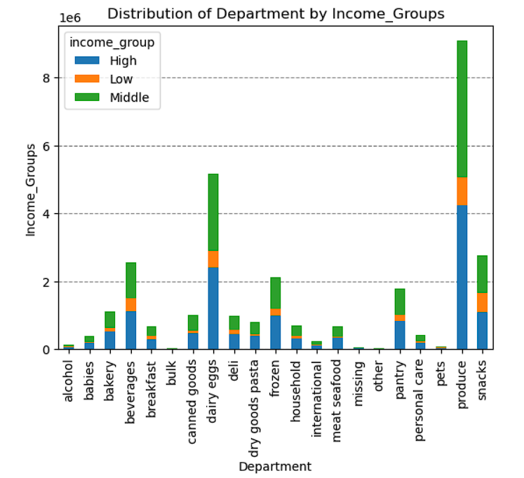
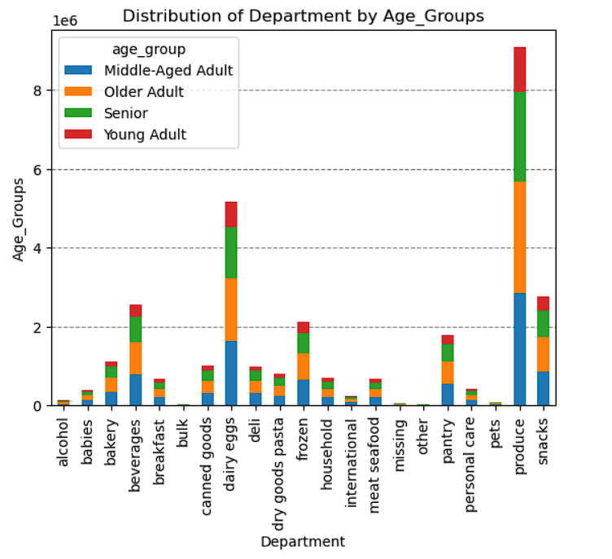
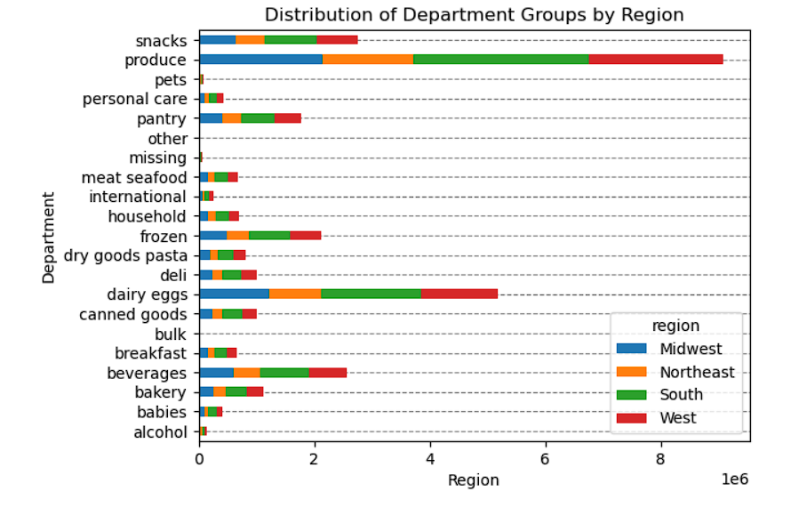
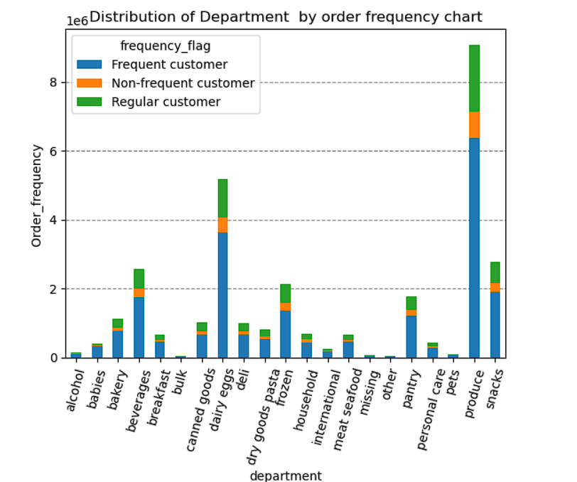

9 | What differences can you find in ordering habits of different customer profiles? consider the price of orders, frequency of orders, products customers are ordering, and anything else you can think of.

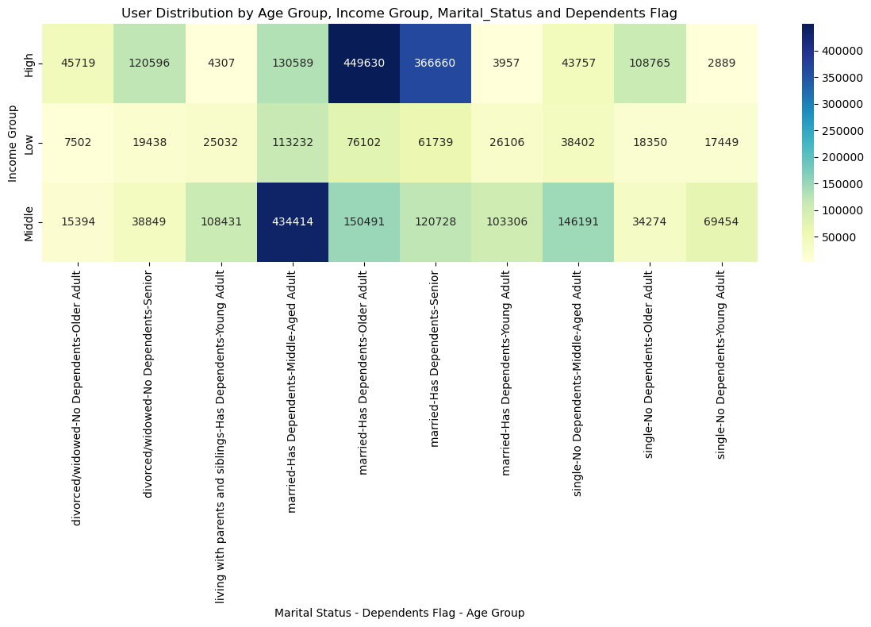

 |  |  |  |  |  | In this heat map, married w depentdants in middle aged adults, older adults, and senior group has the highest expenditures in shopping at instacart
 |  |  |  |  |  | So, the most important and effective parameters for spending are gathered around three parameters, which are income, age, and marital status.

7. Recommendations
 |  |  | Title page

Recommendations
Recommendations

In this tab you should include any recommendations you would made to Instcart in terms of their marketing strategy based on the questions posed in the brief. Every key question has been covered in the Tasks of the Exercises - here you need to add an item - a visualisation or table/crosstable that is showing the answer in the data, acompanied by a comment from you. Please, list the questions below and add the answer underneath.
 | Question | Answer
Key Question 1 | What days of the week and hours of the day are busiest? | Saturday and Sunday are the busiest days. between the hours of 8 am to 4 pm. The least busy day is Wednesday between the hours of 2 am to 5 am.

Key Question 2 | What times of the day do people spend the most money? | Expenditure over the hours shows us that people spend the higher prices orders take place at and after midnight. Through out the day, especially after 10 am people start spending more money and their spending attitude comes at a stable line. Instacart can come up with morning shopping campain with special deals to increase the order amount and prices.

Key Question 3 | Are there certain types of products that are more popular than others? | Produce, dairy and eggs, snacks, beverages and frozen food are the top products. Therefore, Instacart should provide special offers on those categories and also make a cross promotion such as buy meet and get 20 percent of discount in seasonings. There can be special weekend sales and promotions for barbeques goods or frozen products such as, Pizza or Ice cream section.

Key Question 4 | What's the distribution amoung users in regards to their brand loyalty? | New Customers shops the minimum. Regular cutomers spend the most. Therefore, instacart should find new marketing strategies to ignite the new customers behaviours. For new customers, instacart can offer a 10% welcome discount on their first and second shopping. For the regular customers and loyal customers, instacart should offer weekly special discounts at a some certain shopping limits, such as spend 75 euro and get 10 euro off.

Key Question 5 | Are there differences in ordering habits based on a customer's loyalty status? | There is no correlation in condideration of the average order total among the customers' loyalty. Majority of customers purchase mid or low-range products.

Key Question 6 | Are there differences in ordering habits based on a customer's region? | Southern region has the highest number of total product orders (may be due to climate based more population) followed by West, Midwest and East regions. On the contrary, average order total is almost same across all regions. In every region, Middle aged Adults, Older adults, and Seniors, are the groups that shops the most. Customers having dependents are more inclined to shop in all regions than customers without dependents. High Income group orders more than the other groups in all the regions. Instacart should concentrate on Low Spenders since their number are more thatn high spenders in every region. Instacart should also increase their advertising to the northern regions where their sales are respectively way lower than south.

Key Question 7 | Is there a connection between age and family status in terms of ordering habits? | The Average Expenditure and Average Frequency of Order for different combinations of age groups and marital status is almost same.There is no specific relation between age and family status in terms of ordering habits. Most of Instacart frequent, non-frequent, and regular customers are married. It is followed by single people, divorced/widowed people and lastly people who live with their parents and siblings.

Key Question 8 | What different classifications does the demographic information suggest? Age? Income? Certain types of goods? Family status? | -There is a strong positive correlation between age and income. There is no correlation betweem age and the number of dependents, or between age and frequency of orders . - Average Order Amount is almost same in High and middle Income Group people and is less in low income groups. - Frequency of Orders is not dependent on Income Groups.

Key Question 9 | What differences can you find in ordering habits of different customer profiles? consider the price of orders, frequency of orders, products customers are ordering, and anything else you can think of. | So, the most important and effective parameters for spending are gathered around three parameters, which are income, age, and marital status. The customers profile with dependants are more inclined to shopping. as a marketing concept, cross promotion strategies for family needs including children usual needs and disposal can be a great approach. Middle aged adult group and older aged adult group have the highest population. Keeping these populations interest should be one of the main marketing and sales strategy. Where as the young aged adult group has the lowest shopping frequency. Marketing department should come up to engage this demography to increase the overall sales. Applications for a loyalty benefit program or a cross-promotion with another brand that will help instacart to maximize their sales can be a good strategy. Departmental promotion can also be a solution for the low frequency selling products. Such as buy 20 Euro produced meat products and gain 25% discount on kitchen utensils, or barbeque products.

